Plantng Plan Template
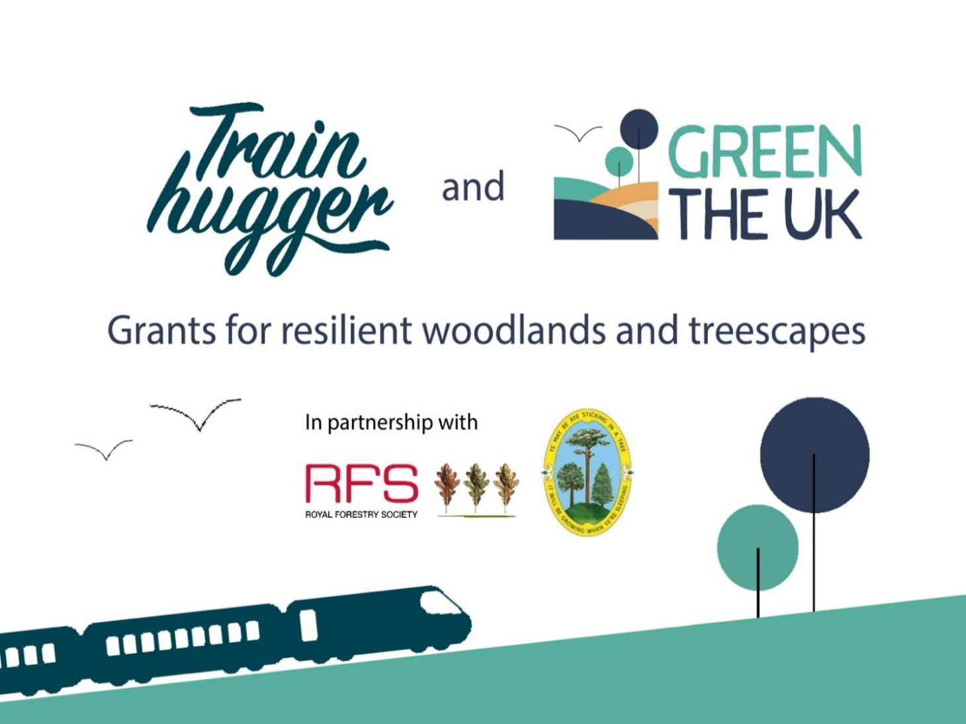
Site Name

 |  | Planting Total
 | Planting Season --> | 2025/26 | 2026/27 | 2027/28
Latin Tree Species | Common Tree Names
Abies alba | European silver fir
Abies grandis | grand fir
Abies procera | noble fir
Acer campestre | field maple
Acer platinoides | Norway maple
Acer pseudoplatanus | sycamore
Aesculus hippocastanum | horse chestnut
Alnus cordata | Italian alder
Alnus glutinosa | alder
Alnus rubra | Red alder
Betula pendula | silver birch
Betula pubescens | downy birch
Buxus semperivirens | box
Carpinus betulus | hornbeam
Castanea sativa | sweet chestnut
Cedrus atlantica | Atlantic cedar |  |  |  | Instructions
Cedrus deodara | deodar cedar
Cornus alba | dogwood |  |  |  | 1. Fill in your site name in Cell C1
Corylus avellana | hazel |  |  |  | 2. To the best of your ability, fill out the numbers of each specis you plan to plant in thenext 3 planting seasons.
Crataegus monogyna | hawthorn |  |  |  | For example if you plant to plant 50 field maple in 2025/26, type in 50 in cell D12, do the same for any planting planned
Cryptomeria japonica | Japanese red cedar |  |  |  | for 2026/27 and 2027/28 if you know your planting plan.
Cupressus macrocarpa | monterey cypress |  |  |  | 3. If you prefer to provide rough percentatges you can leave this blank and use the sheet on the next tab for adding planting percentages. You only need to fill out one sheet not both.
Eucalyptus dalrympleana | mountain gum
Eucalyptus delegatensis | alpine ash
Eucalyptus globulus sp. bicostata | southern blue gum
Eucalyptus nitens | shining gum
Euonymus europeaeus | spindle
Fagus sylvatica | beech
Fraxinus excelsior | ash
Ilex aquifolium | holly |  |  |  | Site Name | 0
Juglas nigra | black walnut |  |  |  | Planting Season Totals | 2025/26 | 0
Juniperus communis | Juniper
Larix decidua | European larch |  |  |  |  | 2026/27 | 0
Ligustrum vulgare | privet |  |  |  |  | 2027/28 | 0
Ligustrum vulgare | wild privet
Malus sylvestris | crab apple
Metasequoia glyptostroboides | Dawn Redwood
Other | other
Paulownia tomentosa | Paulownia
Picea abies | Norway spruce
Picea omorika | Serbian spruce
Picea sitchensis | sitka spruce
Picea x lutzii | Lutzii spruce
Pinus contorta | lodgepole pine
Pinus peuce | macedonian pine
Pinus radiata | monterey pine
Pinus sylvestris | Scots pine
Populus tremula | aspen
Populus x canadensis 'Robusta' | Hybrid poplar robusta
Prunus avium | wild cherry
Prunus padus | bird cherry
Prunus spinosa | blackthorn
Pseudotsuga menziesii | Douglas fir
Pyrus communis | wild pear
Quercus petraea | sessile oak
Quercus robur | pedunculate oak
Quercus rubra | red oak
Rhamnus cathartica | buckthorn
Rosa arvensis | field rose
Rosa canina | dog rose
Robinia pseudoacacia | Black locust
Salix alba 'Caerulea' | cricket bat willow
Salix caprea | goat willow
Salix cinerea | grey willow
Salix Dasyclados | Lakeshore willow
Salix purpurea x daphnoides | purple willow hybrid
Salix triandra | almond willow
Salix viminalis 'Bowles hybrid' | osier 'Bowles hybrid'
Salix viminalis 'Norfolk cultivar' | osier 'Norfolk cultivar'
Sambucus nigra | elder
Sequoia sempervirens | coast redwood
Sequoiadendron giganteum | giant redwood
Sorbus aria | whitebeam
Sorbus aucuparia | rowan
Sorbus tormentalis | wild service
Taxodium distichium | Swamp cypress
Taxus baccata | yew
Thuja plicata | western red cedar
Tilia cordata | small-leaved lime
Tilia platyphyllos | large-leaved lime
Tsuga heterophylla | western hemlock
Ulmus glabra | wych elm
Viburnum lanata | wayfairing tree
Viburnum opulus | guelder rose
 |  | 0 | 0 | 0

