Plantng Plan Template
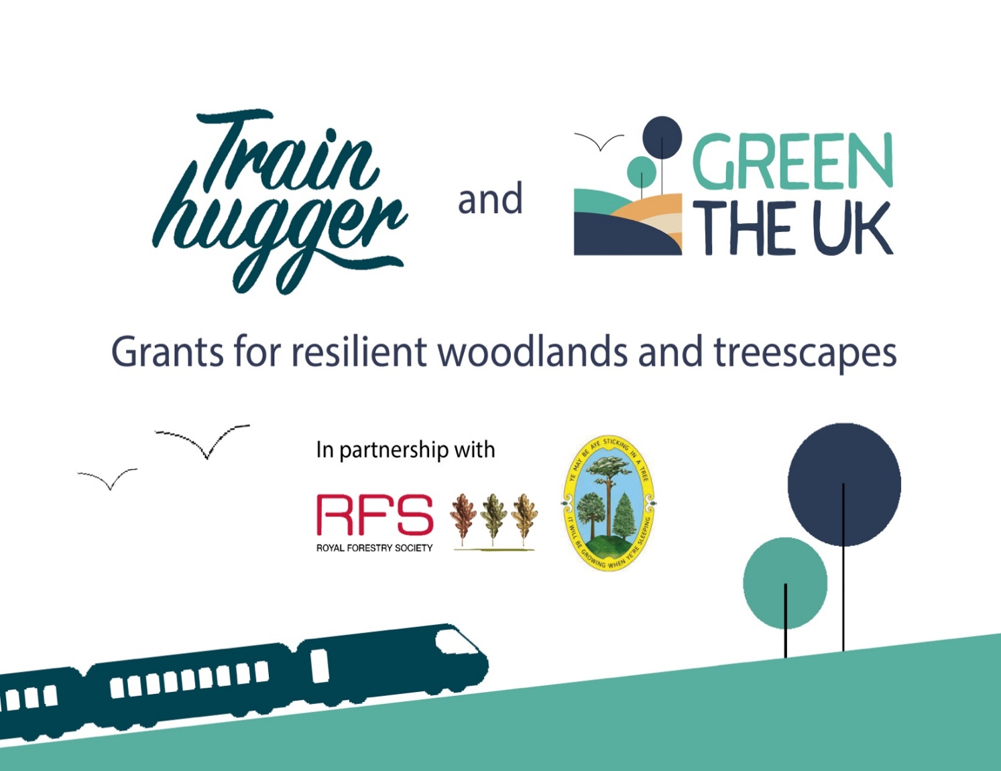
Site Name

 |  | Planting Total
 | Planting Season --> | 2023/24 | 2024/25 | 2025/26
Latin Tree Species | Common Tree Names
Abies alba | European silver fir
Abies grandis | grand fir
Acer campestre | field maple
Acer platinoides | Norway maple
Acer pseudoplatanus | sycamore
Alnus cordata | Italian alder
Alnus glutinosa | alder
Alnus rubra | Red alder
Betula pendula | silver birch
Betula pubescens | downy birch
Buxus semperivirens | box
Carpinus betulus | hornbeam
Castanea sativa | sweet chestnut
Cedrus atlantica | Atlantic cedar
Cornus alba | dogwood |  |  |  | Instructions
Corylus avellana | hazel |  |  |  | 1. Fill in your site name in Cell C1
Crataegus monogyna | hawthorn |  |  |  | 2. To the best of your ability, fill out the numbers of each specis you plan to plant in thenext 3 planting seasons.
Cryptomeria japonica | Japanese red cedar |  |  |  | For example if you plant to plant 50 field maple in 2023/24, type in 50 in cell D11, do the same for any planting planned
Cupressus macrocarpa | monterey cypress |  |  |  | for 2024/25 and 2025/26 if you know your planting plan
Eucalyptus dalrympleana | mountain gum |  |  |  | 3. If you prefer to provide rough percentatges you can leave this blank and use the shet on the next tap for adding planting percentages. You only need to fill out one sheet not both
Eucalyptus delegatensis | alpine ash
Eucalyptus globulus sp. bicostata | southern blue gum
Eucalyptus nitens | shining gum
Euonymus europeaeus | spindle
Fagus sylvatica | beech
Fraxinus excelsior | ash
Ilex aquifolium | holly
Juglas nigra | black walnut |  |  |  | Site Name | 0
Larix decidua | European larch |  |  |  | Planting Season Totals | 2023/24 | 0
Ligustrum vulgare | privet |  |  |  |  | 2024/25 | 0
Ligustrum vulgare | wild privet |  |  |  |  | 2025/26 | 0
Malus sylvestris | crab apple
Other | other
Paulownia tomentosa | Paulownia
Picea abies | Norway spruce
Picea omorika | Serbian spruce
Picea sitchensis | sitka spruce
Picea x lutzii | Lutzii spruce
Pinus contorta | lodgepole pine
Pinus peuce | macedonian pine
Pinus radiata | monterey pine
Pinus sylvestris | Scots pine
Populus tremula | aspen
Populus x canadensis 'Robusta' | Hybrid poplar robusta
Prunus avium | wild cherry
Prunus spinosa | blackthorn
Pseudotsuga menziesii | Douglas fir
Pyrus communis | wild pear
Quercus petraea | sessile oak
Quercus robur | pedunculate oak
Quercus rubra | red oak
Rhamnus cathartica | buckthorn
Rosa canina | dog rose
Robinia pseudoacacia | Black locust
Salix alba 'Caerulea' | cricket bat willow
Salix cinerea | grey willow
Salix Dasyclados | Lakeshore willow
Sequoia sempervirens | coast redwood
Sequoiadendron giganteum | giant redwood
Sorbus aria | whitebeam
Sorbus aucuparia | rowan
Sorbus tormentalis | wild service
Taxus baccata | yew
Thuja plicata | western red cedar
Tilia cordata | small-leaved lime
Tsuga heterophylla | western hemlock
Ulmus glabra | wych elm
Viburnum lanata | wayfairing tree
Viburnum opulus | guelder rose
 |  | 0 | 0 | 0

Plantng Plan Percentage

Site Name

 |  | Planting Total
 | Planting Season --> | 2023/24 percentages | 2024/25 | 2025/26
Latin Tree Species | Common Tree Names
Abies alba | European silver fir
Abies grandis | grand fir
Acer campestre | field maple
Acer platinoides | Norway maple
Acer pseudoplatanus | sycamore
Alnus cordata | Italian alder
Alnus glutinosa | alder
Alnus rubra | Red alder
Betula pendula | silver birch
Betula pubescens | downy birch
Buxus semperivirens | box
Carpinus betulus | hornbeam
Castanea sativa | sweet chestnut
Cedrus atlantica | Atlantic cedar
Cornus alba | dogwood |  |  |  | Instructions
Corylus avellana | hazel |  |  |  | 1. Fill in your site name in Cell C1
Crataegus monogyna | hawthorn |  |  |  | 2. Add the total number of trees requsted to cell C2
Cryptomeria japonica | Japanese red cedar |  |  |  | 3. To the best of your ability, fill out the percentage of each speces you wish to plant for each palnting season
Cupressus macrocarpa | monterey cypress |  |  |  | For example if you plant to plant 10% field maple in 2022/23, type in 20 in cell D11, do the same for any planting planned for 2023/24 and 2024/25 if you know your planting plan
Eucalyptus dalrympleana | mountain gum |  |  |  | 4. The total percentage over all 3 seasons should equal 100 Percent
Eucalyptus delegatensis | alpine ash
Eucalyptus globulus sp. bicostata | southern blue gum
Eucalyptus nitens | shining gum
Euonymus europeaeus | spindle
Fagus sylvatica | beech
Fraxinus excelsior | ash
Ilex aquifolium | holly
Juglas nigra | black walnut |  |  |  | Site Name | 0
Larix decidua | European larch |  |  |  | Planting Percentage Season Totals | 2023/24 | #REF!
Ligustrum vulgare | privet |  |  |  |  | 2024/25 | 0
Ligustrum vulgare | wild privet |  |  |  |  | 2025/26 | 0
Malus sylvestris | crab apple |  |  |  |  | Total | #REF! | This should = 100
Other | other
Paulownia tomentosa | Paulownia
Picea abies | Norway spruce
Picea omorika | Serbian spruce
Picea sitchensis | sitka spruce
Picea x lutzii | Lutzii spruce
Pinus contorta | lodgepole pine
Pinus peuce | macedonian pine
Pinus radiata | monterey pine
Pinus sylvestris | Scots pine
Populus tremula | aspen
Populus x canadensis 'Robusta' | Hybrid poplar robusta
Prunus avium | wild cherry
Prunus spinosa | blackthorn
Pseudotsuga menziesii | Douglas fir
Pyrus communis | wild pear
Quercus petraea | sessile oak
Quercus robur | pedunculate oak
Quercus rubra | red oak
Rhamnus cathartica | buckthorn
Rosa canina | dog rose
Robinia pseudoacacia | Black locust
Salix alba 'Caerulea' | cricket bat willow
Salix cinerea | grey willow
Salix Dasyclados | Lakeshore willow
Sequoia sempervirens | coast redwood
Sequoiadendron giganteum | giant redwood
Sorbus aria | whitebeam
Sorbus aucuparia | rowan
Sorbus tormentalis | wild service
Taxus baccata | yew
Thuja plicata | western red cedar
Tilia cordata | small-leaved lime
Tsuga heterophylla | western hemlock
Ulmus glabra | wych elm
Viburnum lanata | wayfairing tree
Viburnum opulus | guelder rose
 |  | 0 | 0 | 0

